FAME I subsidies
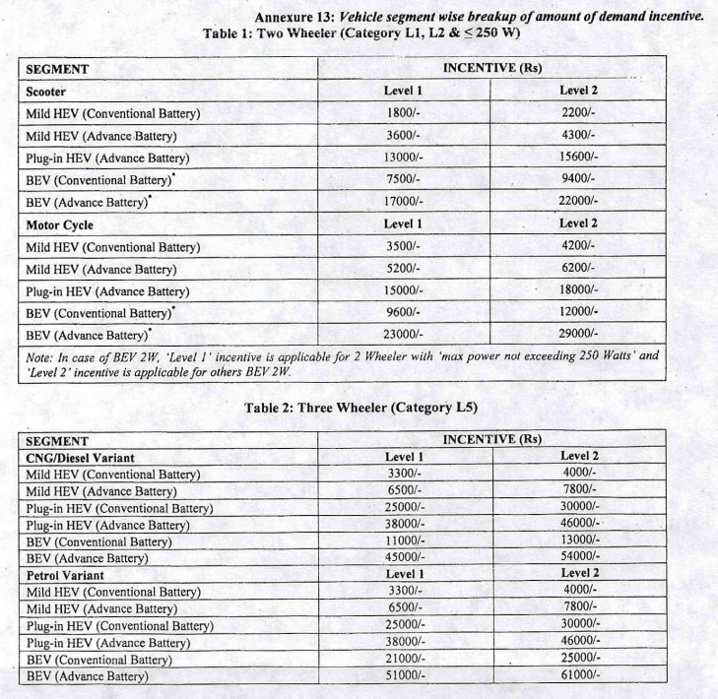

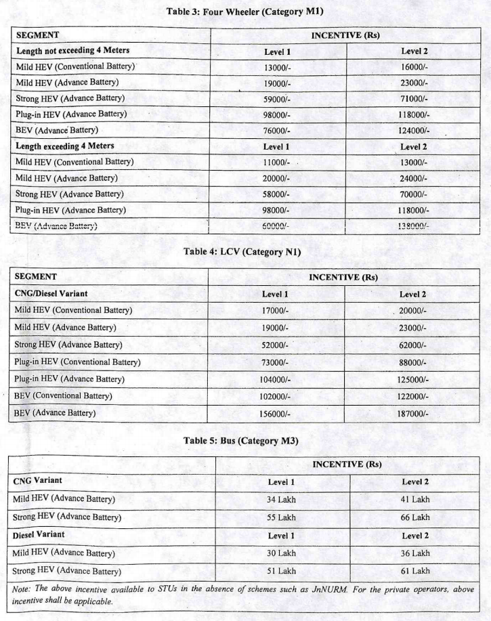

We average the values for "variants" of various ICE engines, since we are only looking at
BEV subsidies (none of which have combustion engines), and we assume the difference in
subsidy rate is based on other properties of the analog non-electric vehicle (such as chassis
size, etc.)

We also average subsidies for conventional and advanced batteries in BEVs, where available.

BEV Subsidies
 | Four wheeler |  | Two-wheeler | Three-wheeler
 | Psgr LDVs | Frgt LDVs | Psgr Mtrbk | Frgt Mtrbk
battery electric vehicle | 99500 | 141750 | 9625 | 17500 | Rupees
battery electric vehicle | 1453 | 2070 | 141 | 256 | 2012 USD

